FLow Chart
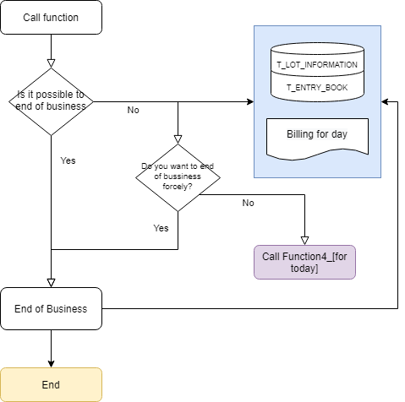
Document_Name | End of Business | Write Date | 2020-05-05 | Writer | Rick

